Sheet1
 |  |  |  |  |  |  |  |  |  | ALU |  |  |  | Control Unit
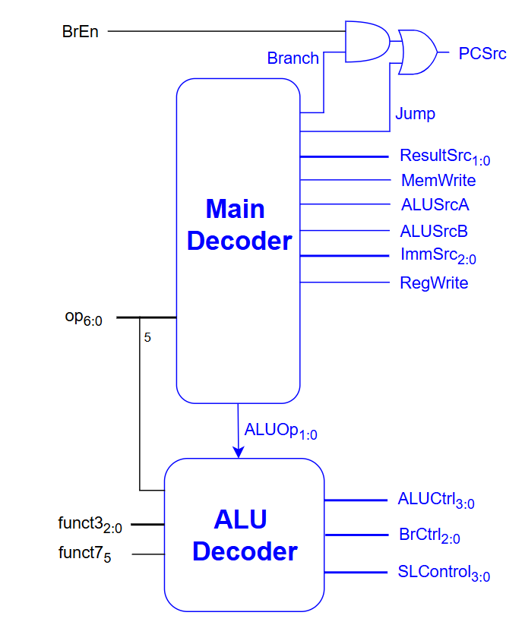
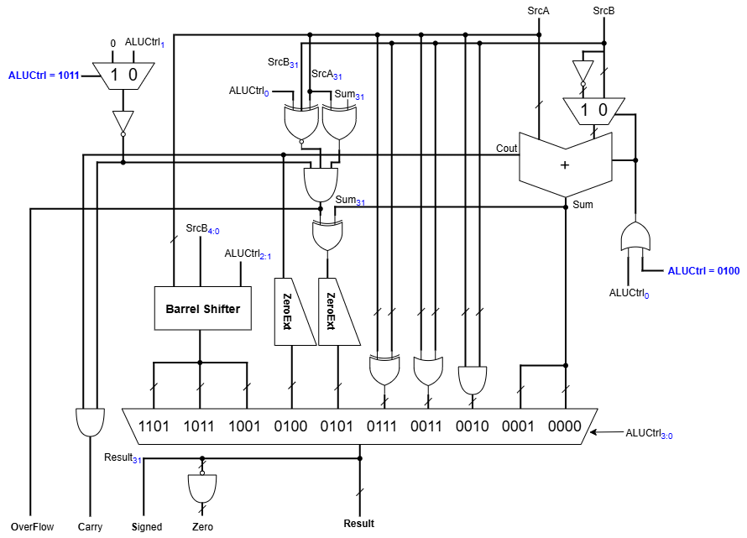

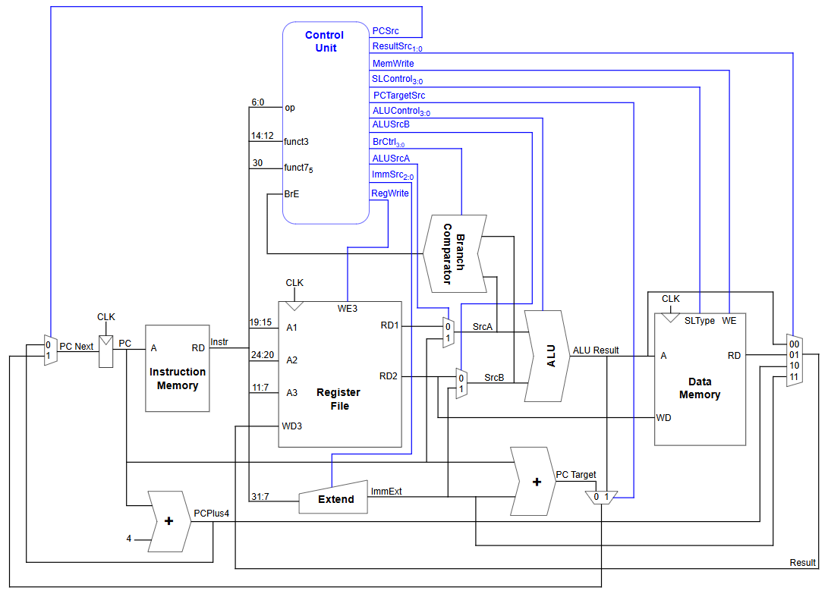

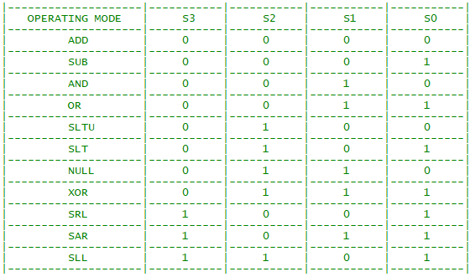

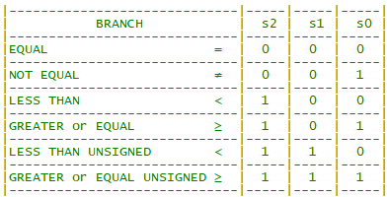

 |  |  | Main Decoder |  |  |  |  |  |  |  |  |  |  | ALU Decoder
Instruction | Op | RegWrite | ImmSrc | ALUSrcB | ALUSrcA | MemWrite | ResultSrc | Branch | Jump | PCTargetSrc | ALUOp | ALUOp | funct3 | {op5,funct75} | ALUControl | BrCtrl | SLType | Instruction
lb | 0000011 | 1 | 000 | 1 | 0 | 0 | 01 | 0 | 0 | 0 | 00 | 00 | 000 | 0x | 0000 (add) | x | 0000 | lb
lh | 0000011 | 1 | 000 | 1 | 0 | 0 | 01 | 0 | 0 | 0 | 00 |  | 001 | 0x | 0000 (add) | x | 0001 | lh
lw | 0000011 | 1 | 000 | 1 | 0 | 0 | 01 | 0 | 0 | 0 | 00 |  | 010 | 0x | 0000 (add) | x | 0010 | lw
lbu | 0000011 | 1 | 000 | 1 | 0 | 0 | 01 | 0 | 0 | 0 | 00 |  | 100 | 0x | 0000 (add) | x | 0100 | lbu
lhu | 0000011 | 1 | 000 | 1 | 0 | 0 | 01 | 0 | 0 | 0 | 00 |  | 101 | 0x | 0000 (add) | x | 0101 | lhu
addi | 0010011 | 1 | 000 | 1 | 0 | 0 | 00 | 0 | 0 | 0 | 10 |  | 000 | 1x | 0000 (add) | x | 1000 | sb
slli | 0010011 | 1 | 000 | 1 | 0 | 0 | 00 | 0 | 0 | 0 | 10 |  | 001 | 1x | 0000 (add) | x | 1001 | sh
slti | 0010011 | 1 | 000 | 1 | 0 | 0 | 00 | 0 | 0 | 0 | 10 |  | 010 | 1x | 0000 (add) | x | 1010 | sw
sltiu | 0010011 | 1 | 000 | 1 | 0 | 0 | 00 | 0 | 0 | 0 | 10 | 01 | 000 | x | x | 000 | x | beq
xori | 0010011 | 1 | 000 | 1 | 0 | 0 | 00 | 0 | 0 | 0 | 10 |  | 001 | x | x | 001 | x | bne
srli | 0010011 | 1 | 000 | 1 | 0 | 0 | 00 | 0 | 0 | 0 | 10 |  | 100 | x | x | 100 | x | blt
srai | 0010011 | 1 | 000 | 1 | 0 | 0 | 00 | 0 | 0 | 0 | 10 |  | 101 | x | x | 101 | x | bge
ori | 0010011 | 1 | 000 | 1 | 0 | 0 | 00 | 0 | 0 | 0 | 10 |  | 110 | x | x | 110 | x | bltu
andi | 0010011 | 1 | 000 | 1 | 0 | 0 | 00 | 0 | 0 | 0 | 10 |  | 111 | x | x | 111 | x | bgeu
auipc | 0010111 | 1 | 100 | 1 | 1 | 0 | 00 | 0 | 0 | 0 | 11 | 10 | 000 | 00, 01, 10 | 0000 | x | x | add, addi
sb | 0100011 | 0 | 001 | 1 | 0 | 1 | x | 0 | 0 | 0 | 00 |  | 000 | 11 | 0001 | x | x | sub
sh | 0100011 | 0 | 001 | 1 | 0 | 1 | x | 0 | 0 | 0 | 00 |  | 001 | 00, 10 | 1101 | x | x | sll, slli
sw | 0100011 | 0 | 001 | 1 | 0 | 1 | x | 0 | 0 | 0 | 00 |  | 010 | 00, 01, 10 | 0101 | x | x | slt, slti
add | 0110011 | 1 | xxx | 0 | 0 | 0 | 00 | 0 | 0 | 0 | 10 |  | 011 | 00, 01, 10 | 0100 | x | x | sltu, sltiu
sub | 0110011 | 1 | xxx | 0 | 0 | 0 | 00 | 0 | 0 | 0 | 10 |  | 100 | 00, 01, 10 | 0111 | x | x | xor, xori
sll | 0110011 | 1 | xxx | 0 | 0 | 0 | 00 | 0 | 0 | 0 | 10 |  | 101 | 00, 10 | 1001 | x | x | srl, srli
slt | 0110011 | 1 | xxx | 0 | 0 | 0 | 00 | 0 | 0 | 0 | 10 |  | 101 | 01, 11 | 1011 | x | x | sra, srai
sra | 0110011 | 1 | xxx | 0 | 0 | 0 | 00 | 0 | 0 | 0 | 10 |  | 110 | 00, 01, 10 | 0011 | x | x | or, ori
or | 0110011 | 1 | xxx | 0 | 0 | 0 | 00 | 0 | 0 | 0 | 10 |  | 111 | 00, 01, 10 | 0010 | x | x | and, andi
and | 0110011 | 1 | xxx | 0 | 0 | 0 | 00 | 0 | 0 | 0 | 10 | 11 | x | x | 0000 (add) | x | x | auipc, lui
lui | 0110111 | 1 | 100 | 1 | 0 | 0 | 11 | 0 | 0 | 0 | 11
beq | 1100011 | 0 | 010 | 0 | 0 | 0 | x | 1 | 0 | 0 | 01
bne | 1100011 | 0 | 010 | 0 | 0 | 0 | x | 1 | 0 | 0 | 01
blt | 1100011 | 0 | 010 | 0 | 0 | 0 | x | 1 | 0 | 0 | 01
bge | 1100011 | 0 | 010 | 0 | 0 | 0 | x | 1 | 0 | 0 | 01
bltu | 1100011 | 0 | 010 | 0 | 0 | 0 | x | 1 | 0 | 0 | 01
bgeu | 1100011 | 0 | 010 | 0 | 0 | 0 | x | 1 | 0 | 0 | 01
jalr | 1100111 | 1 | 000 | 1 | 0 | 0 | 10 | 0 | 1 | 1 | 01
jal | 1101111 | 1 | 011 | x | 0 | 0 | 10 | 0 | 1 | 0 | x

